Bug Report
Bug ID | Linked Test Case | Bug Title | Module | Severity | Priority | Bug Type | Environment | Preconditions | Steps to Reproduce | Expected Result | Actual Result | Evidence | Business Impact | Recommendation | QA Notes
BUG-001 | US-TC-005 | Login validation displays only username required message when both username and password fields are empty | Authentication | Low | Medium | Functional / Validation / UX | SauceDemo Web App Browser: Edge | 1. User is on SauceDemo login page. 2. Username field is empty. 3. Password field is empty. | 1. Open SauceDemo login page. 2. Leave username field blank. 3. Leave password field blank. 4. Click Login button. | System should: a) .prevent authentication b). remain on login page c). display validation message clearly indicating: "Username and Password are required" | a). prevented authentication b). remained on login page displayed only: "Username is required" c). red validation icon displayed on both input fields | 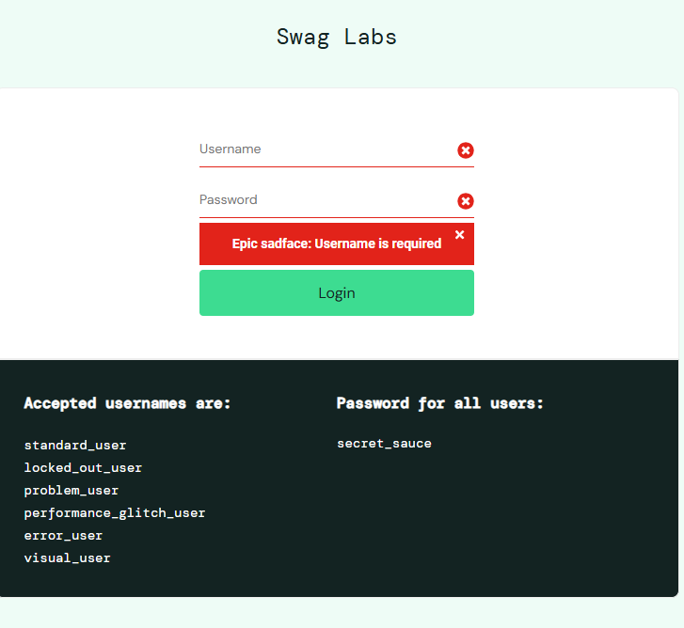 | Users may not immediately understand that both fields are required, resulting in extra retry attempts. | Improve validation messaging by showing combined required-field messaging | This may not be a strict functional defect if web app intentionally validates one missing field at a time.
BUG-002 | US-TC-023 | Application allows checkout process even when shopping cart is empty | Cart / Checkout | Medium | High | Functional | SauceDemo Web App Browser: Edge | 1. User is logged in successfully. 2. User has zero products in cart. | 1. Click the cart icon. 2. Click Checkout button. | System should prevent checkout initiation and display warning message such as: "Your cart is empty. Please add products before checkout." | System redirects user to checkout step one page User can proceed with checkout despite having no products selected. | 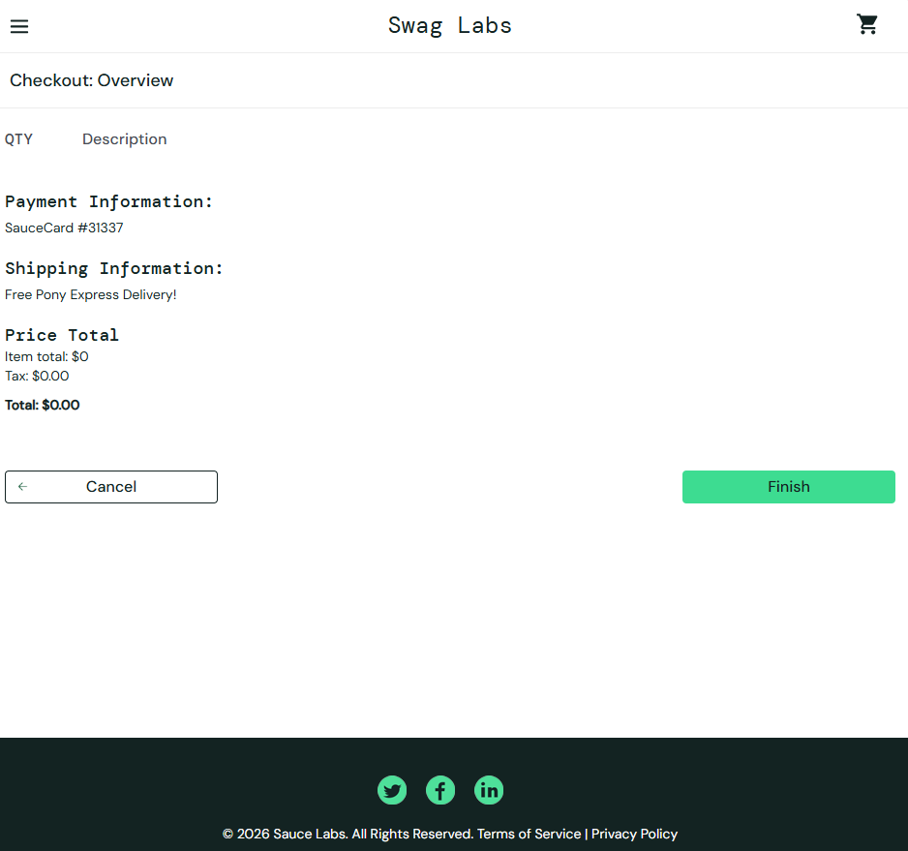 | In real e-commerce production systems, checkout without products should not be allowed. | Add validation before checkout initiation

